Bug Report
BUG REPORT
BUG ID |  |  |  | BUG OVERVIEW |  | ENVIRONMENT |  |  | BUG DETAILS |  |  |  |  | BUG TRACKING |  |  | STATUS
ID NUMBER | NAME | REPORTER | SUBMIT DATE | DESCRIPTION | ATTACHMENT | OPERATING SYSTEM | BROWSER | FOUND IN | TEST CASE ID | PRE-CONDITION | STEP TO REPRODUCE | EXPECTED RESULT | ACTUAL RESULLT | PRIORITY | SEVERITY | ASSIGNED TO
BUG-001 | [BUG-MOBILE] | Fadli | 17/9/2024 | User can checkout with no product on the cart | 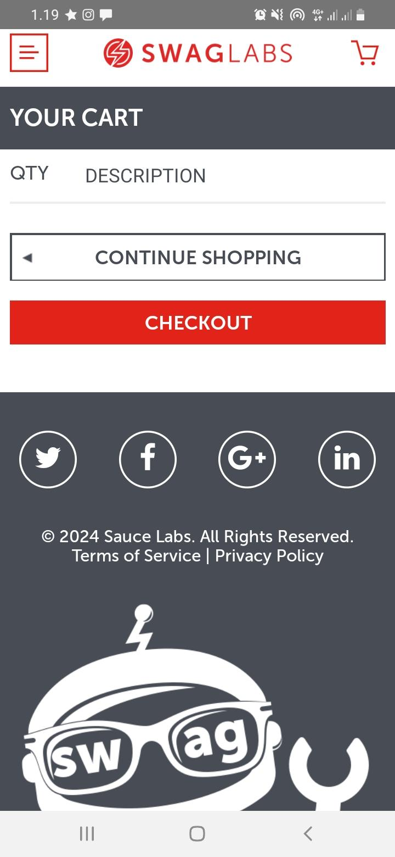 | Android 11 |  | Production | TC_CO_02 | User is on the home page | 1. user click cart logo 2. user click checkout button | User get error message when checkout with no product | User directed to checkout information page | P0 | Critical | Mobile Dev | Not Fixed
BUG-002 | [BUG-MOBILE] | Fadli | 17/9/2024 | User can following checkout journey with invalid postal code (String data type) | 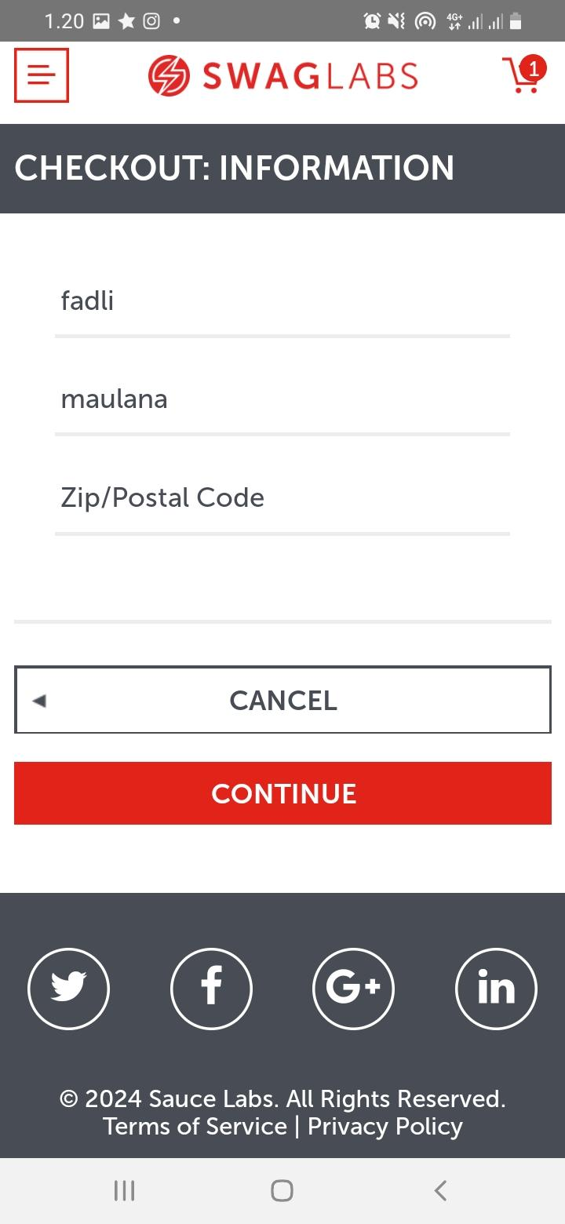 | Android 11 |  | Production | TC_CO_06 | User is on the home page | 1. user click add to cart button on the product display 2. user click cart logo 3. user click checkout button 4. user filling valid first name "maulana" 5. user filling valid last name "ilham" 6. user filling invalid postal code "aaaaa" 7. user click continue button | User get error message when filling invalid postal code | User directed to checkout overview page | P0 | Critical | Mobile Dev | Not Fixed

